Amanda Rodriguez HH
Who Asked the question | Questions Asked | Score by Jose ( 0 to 5) | Score by Joshio (0 to 5) | Score by Rafael (0 to 5) | Score by Daniel (0 to 5) | Total Score | Tech Level | Pay Rate | Are you available for 3rd shift? | Where are you located? | Do you need a 2 week notice? | Accepted for Second Round interview? | Pass 2nd Interview? | Where do we want to locate the candidate? | Candidate Picture | Behavioral Questions | Technical Questions | AI Questions | Resume Link
Rafael Amaro | Are you Familiar with Active Directory? |  | 1 | 0 |  | 1 |  |  | No | Homestead | No | Yes |  |  | 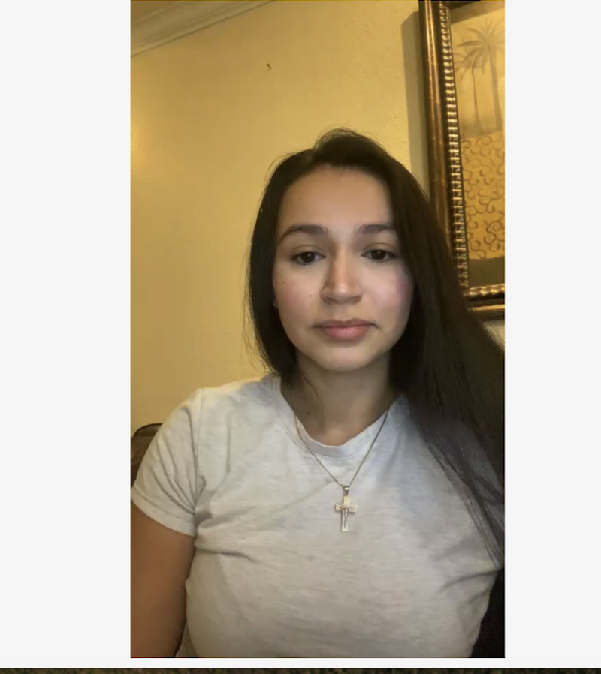 | How would you handle a frustrated user after multiple failed support attempts? | Are you Familiar with Active Directory? | How would you use AI to solve a new issue? | Amanda Rodriguez Resume
Rafael Amaro | What do you do if the pc is running slow? |  | 2 | 2 |  | 4 |  |  |  |  |  |  |  |  |  | What would you do if the internet goes down in Labor & Delivery during a major incident? | How do you reset a password in Active Directory? | What prompts would you use in AI to resolve an issue with the Microsoft Password?
Rafael Amaro | What would be your process for a PC has no power? |  | 3 | 4 |  | 7 |  |  |  |  |  |  |  |  |  | Can you describe a time when you had to balance empathy, and how you handled the situation? | What would be your process for a PC has no power?
Jose Molina | Why would you want to work for Stefanini? |  | 4.5 | 5 |  | 9.5 |  |  |  |  | New Hires For |  |  |  |  | Just you and the client and unable to find help or escalate, What would be your process? | What do you do if the pc is running slow?
Jose Molina | Where do you see yourself in 3 to 5 years? |  | 4 | 5 |  | 9 |  |  |  |  | Stefanini Baptist |  |  |  |  | Tell me about a time when you had to tell someone no. | What to do if a laptop is not working with a docking station?
Joshio Flores | What CRM's have you used in the past? |  | 0 | 0 |  | 0 |  |  |  |  |  |  |  |  |  | Why would you want to work for Stefanini? | How would you use AI to solve a new issue?
Joshio Flores | Scenrio based question. 3 tickets in your queue all the same priority. 1) NICU is down, the entire floor 2) VP cant print 3) new employee needs a password reset. Which ticket would you take care of 1st, 2nd, and 3rd? |  | 5 | 5 |  | 10 |  |  |  |  |  |  |  |  |  | Scenrio based question. 3 tickets in your queue all the same priority. 1) NICU is down, the entire floor 2) VP cant print 3) new employee needs a password reset. Which ticket would you take care of 1st, 2nd, and 3rd? | What prompts would you use in AI to resolve and issue with you Microsoft Password?
Joshio Flores | What doe the acronym DNS stand for? What purpose does it serve? |  | 0 | 0 |  | 0 |  |  |  |  |  |  |  |  |  | Where do you see yourself in 3 to 5 years? | How to fix the blue screen of death?
Joshio Flores | How would you resolve a printer issue? |  | 1.5 | 2

